1. Title Page
[Grocery Basket Analysis]

Project Name: Grocery Basket Analysis
Date: 12/8/2022
Analyst Name: Richard Spero

Contents:
Population Flow
Consistency checks
Wrangling steps
Column derivations
Visualizations
Recommendations

Citations:
The instacart Online Grocery Shopping Dataset 2017, Accessed from https://www.instacart.com/datasets/grocery-shopping-2017 on 11/15/2022
Wikipedia region information page Accessed from https://simple.wikipedia.org/wiki/List_of_regions_of_the_United_States on 12/7/2022

Note:
The customer data, including all personal identifing information, has been generated by CareerFoundry for the purpose of this project

2. Population Flow
Title page

Population flow

Exclusion flag
Condition: max_order < 5
Obervations to be removed: 1440295
Final total count of order_products_all: 30964564

Orders_products_combined
Orders_products_merged
Orders_products_all

Total: 32404859, 20
Total: 32434489, 12
Total: 30964564, 46

1.) The grey boxes in the first row of the population flow represent the original data sets as they were when you downloaded them. In the Total fields you need to add the count of the rows when you imported the data set into Jupyter.
2.) The second row of boxes (coloured) represents the data sets after you manipulated them, e.g., removed missing values and duplicates. In the Total fields you need to add the count of the rows after conducting these operations. This offers a visual oveview of how the data flows throughout the data consistency checks.
3.) The third row, where also the arrows are coloured, represents the merges you performed between the datasets. In the Total fields you need to add the count of the rows in the merged datasets, so that you end up with the final dataset (in the red box). Keep in mind the final dataset should be without exclusions (based on the exclusion flag).

3. Consistency checks
 |  |  |  | Title page
Consistency checks

Dataset | Missing values | Missing values treatment | Duplicates
orders | days_since_prior_order had 206,209 missing values | I determined that the best action to take was to create a new dataframe and make a new flag column for missing values as new customers because after examining the data it appeard the missing values were from customers who have only ordered once. | No duplicates found
products | 16 missing values found in product_name | Created a new dataframe to exclude the missing values | 5 duplicates found
orders_products_prior | No missing values found | N/A | No duplicates found
customers | No missing values found | N/A | No duplicates found

4. Wrangling steps
 |  |  |  | Title page
Wrangling steps

Columns dropped | Columns renamed | Columns' type changed | Comment/Reason
eval_stat |  |  | This flag wasn't necessary for the analysis
Unnamed: 01 |  |  | This column was automaticly generated and was not relevant to the analysis
_merged |  |  | This flag wasn't necessary for the analysis
 | order_dow changed to order_day_of_week |  | Name changed for clarity
 |  | user_id | Changed from interger to string values because the column did not contain numerical data
 |  | order_number | Changed from integer to string values to prevent from changing aggregations
 | first_name(customer.csv) |  | Name changed for clarity
 | last_name(customer.csv) |  | Name changed for clarity
 | gender(customer.csv) |  | Name changed for clarity
 | state(customer.csv) |  | Name changed for clarity
 | age(customer.csv) |  | Name changed for clarity
 | date_joined(customer.csv) |  | Name changed for clarity
 | no_of_dependents(customer.csv) |  | Name changed for clarity
 | fam_status(customer.csv) |  | Name changed for clarity
 | income(customer.csv) |  | Name changed for clarity
 |  | first_name | changed to string data type

5. Column derivations
 |  |  |  | Title page

Column derivations and aggregations

In this tab you should add tables below that the frequences of flags/label variables that you produced after deriving them. NB: don't do this for continuous variables, only for flags.
Dataset | New column | Column/s it was derived from | Conditions
orders_products_merged.pkl | price_range | prices | if price <= 5, then product is 'low range product' if price >5 & <=15, then product is 'mid range product' if price >15, then product is 'high range product'
orders_products_merged.pkl | busiest_day | orders_day_of_week | if day = 0, then it’s the "busiest day" if day = , then "least busy" if else, then day is "regular busy"
orders_products_merged.pkl | busiest_days | orders_day_of_week | if day is 0 or 1, then "busiest day" if day is 3 or 4, then "slowest days" if else, then"regular busy"
orders_products_merged.pkl | period_of_time | order_hour_of_day | if order hour between 0 and 6, then "fewest orders" if order hour between 12 and 18, then "most orders" if else, then "average orders"
orders_products_derived_updated.pkl | max_order | order_number | calculating the the total number of orders for each user
orders_products_derived_updated.pkl | loyalty_flag | max_order | if max order > 40, then "loyal customer" if max order > 10 but <= 40, then "regular customer" if max order <= 10, then "new customer"
orders_products_derived_update2.pkl | mean_price | prices | Calculates the mean of the price for each product
orders_products_derived_update2.pkl | spender_flag | mean_price | if mean_price < 10 , then"low spender" if mean_price >= 10, then "high spender"
orders_products_derived_update2.pkl | median_days_since_prior_order | days_since_prior_order | Calculating the median each number of days since prior order
orders_products_derived_update2.pkl | frequency_flag | median_days_since_prior_order | if median > 20, then "non-frequent customer" if median > 10 & <= 20, then "regular customer" if median <= 10, then "frequent customer"
df_ords_prods_cus_merged.pkl | Region | state | region1 = [Maine, New Hanmpshire, Vermont, Massachusetts, Rhode Island, Connecticut, New York, Pennsylvania, New Jersey]
 |  |  | Region2 = [Wisconsin, Michigan, Illinois, Indiana, Ohio, North Dakota, South Dakota, Nebraska, Kansas, Minnesota, Iowa, Missouri]
 |  |  | Region3 = [Delaware, Maryland, District of Columbia, Virginia, West Virginia, North Carolina, South Carolina, Georgia, Florida, Kentucky, Tennessee, Mississippi, Alabama, Oklahoma, Texas, Arkansas, Louisiana]
 |  |  | Region4 = [Idaho, Montana, Wyoming, Nevada, Utah, Colorado, Arizona, New Mexico, Alaska, Washington, Oregon, California, Hawaii]
df_ords_prods_cus_merged.pkl | activity_flag | max_order | If max_order <= 5, then "low activity" if max_order > 5, then "high activity"
df_ords_prods_cus_merged.pkl | family_status | no_of_dependents & department_id | if no_of_dependents > 0 and deprtment_id = 18, then "family with young children if no_of_dependents > 0 and department_id !=18, then "family with older children" elif dependents = 0, then "family with no children"
df_ords_prods_cus_merged.pkl | vegetarian_status | department_id | if department_id contains (12, 20) then "not vegetarian" else then "vegetarian"
df_ords_prods_cus_merged.pkl | age_category | age | if age is between 18 & 29 then "young adult" if age is between 30 & 45 then "middle age adult" if age is between 46 & 59 the "older adult" if age is 60 or higher then "senior"

6. Visualizations
 |  |  |  |  |  |  |  | Title page

Visualisations

In this tab you should include all the visualtions from Exercises 4.9 and 4.10, alongside the questions from the project brief that they answer. Include any commentary on the relationship between different variables.

The sales team needs to know what the busiest days of the week and hours of the day are in order to schedule ads at times when there are fewer orders.

 |  |  | Most orders by day of the week |  |  | Most orders by hour of the day



 |  | As we can see in the bar chart above the top two busiest days of the week for orders are Saturday and Sunday |  |  | From the histogram about we can see that from around 10AM-4PM are the when the most orders occure.

They also want to know whether there are particular times of the day when people spend the most money, as this might inform the type of products they advertise at these times.

 |  |  |  | Line chart of sample of money spent during the day

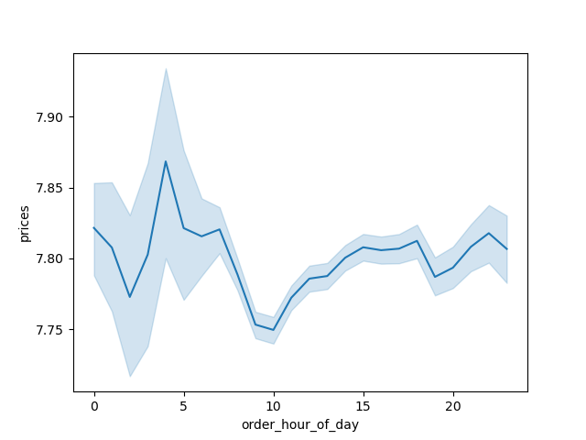

 |  |  |  | Based off the line chart it appears that early in the morning there is a heavy influx of orders coming in. This could be due to people ordering before work.

Do loyal customers place more orders than non-loyal customer?

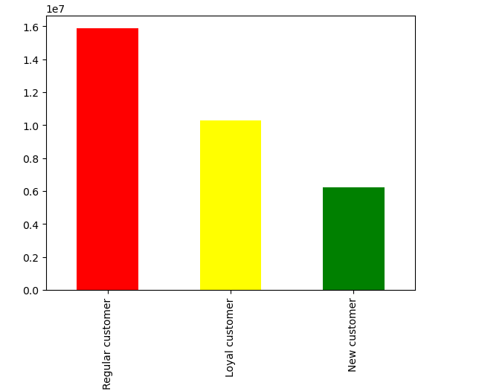
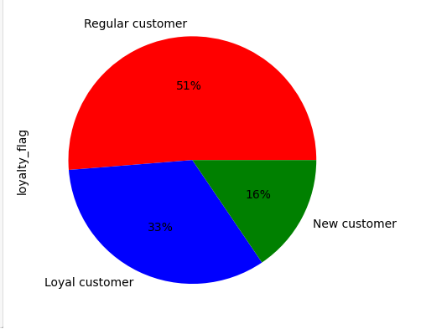

 |  |  |  | While loyal customers do have more orders than new customers, the majority of Instacart's orders are from regular customers

Is there a relation ship between age and number of dependents?



 |  |  |  |  | There does not appear to be a relationship between the two variables

Is there a relationship between age level of income?

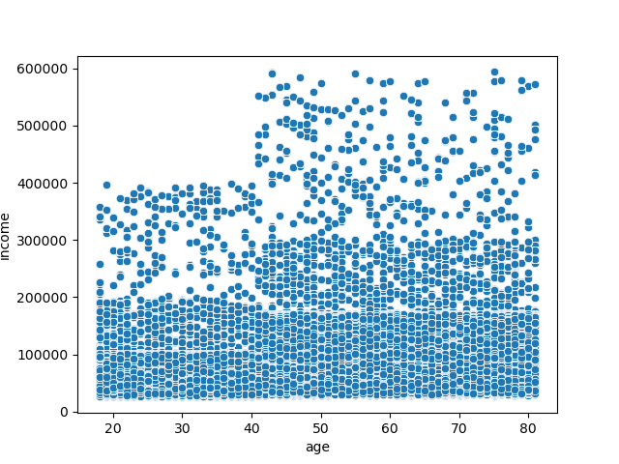

 |  |  |  |  | Yes there appears to be a positive relationship betwwen age and level of income.

 |  |  | Customer Family Status

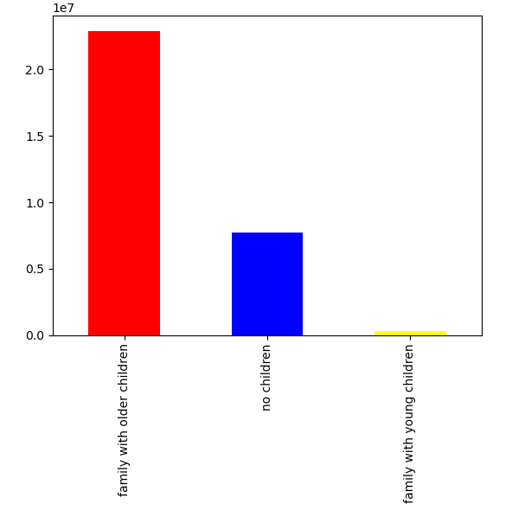

 |  |  |  |  | Based on the bar chart to the left. It appears that most orders come from familys with older children. This means that orders are from those with dependents but no need for the baby products department.

 |  |  | Customer vegetarian status

Average expenditure for Vegetarian status
 | avg expenditure
Non-Vegetarian | 7.920181
Vegetarian | 7.783164

 | 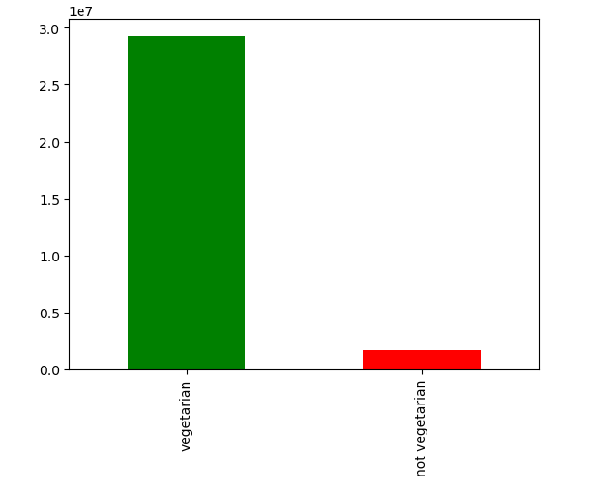 |  |  | Based off the bar chart to the left we see that orders would be considered for vegetarians (no meat or seafood). However, this could be due to customers wanting to buy meat and seafood products in store for a fresher product or not have to worry about proper storage of products while waiting for orders to be delieverd. |  |  | With this bar chart we can see the average expenditure for the vegetarian status. We see that non-vegetarians on average spend $7.92, while vegetarians on average spend $7.78.

 |  |  | Orders by age category

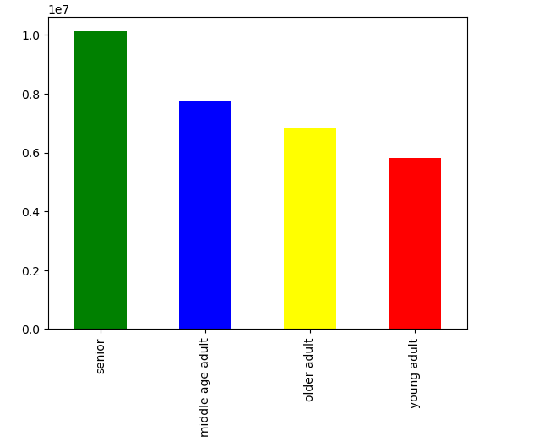

Average Expenditure by Age Category
 | Average Expenditure
Middle age adult | 7.791948
Older adult | 7.788695
Senior | 7.79614
Young adult | 7.782193

 |  |  |  | Seniors (age 60+) have the most orders on Instacart followed by middle age adults. This may be due to the level of income for older customers as shown in the scatter plot above. |  |  | With this bar chart we see the average amount spent per order by the age groups. Seniors spend the most at $7.80 followed by middle age adults and older adults averaging about $7.79, followed by Young adults averaging $7.78. This could be due to the the income level increasing over time for our customers.

 |  |  | Vegetarian Status by Region

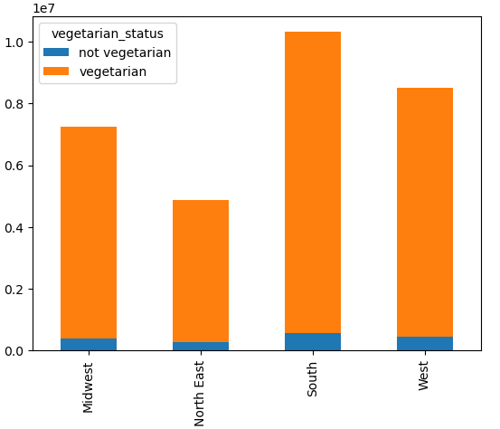

 |  |  |  |  | Here we can see using the stacked bar chart to he left showing that in all regions most orders are of products that would be considered vegetarian.

 | 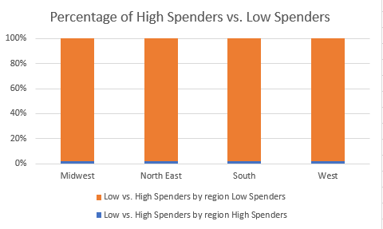 |  |  |  | Based of this bar chart the difference based the percentage of customers of high spenders and low spenders in each region is the same amongst all regions with each having relatively low amount of high spenders

Customer Ordering by loyalty status
 | High Spenders | Low Spenders
Loyal Customer | 216600 | 10067493
Regular Customer | 84011 | 4719684
New Customer | 302814 | 15573962
 |  |  |  |  | Using the bar chart we can see that there is no difference in spending based off customer loyatly status

Family Status Average Expenditure
 | Average Expenditure
Family with young children | 7.829417
Family with older children | 7.790423
No children | 7.789552

 |  |  |  | 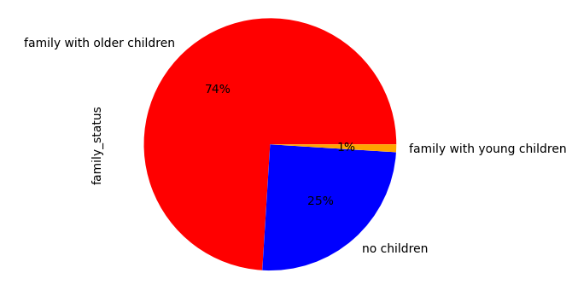 |  |  | Here we have the average expenditures for each family status No children $7.79, Family with older children also at $7.79, and finally Family with young children at $7.83. We see from this that families with younger children on average spend more on instacart than the other groups. Next we have a pie chart showing the disribution of orders based on family status. We can see from this chart that the amount of orders from families with older children take up 74%, while orders from families with no children are only 25%, finally orders from family with younger children are only 1%.

7. Recommendations
 |  | Title page

Recommendations

In this tab you should include any recommendations you would made to Instcart in terms of their marketing strategy based on the questions posed in the brief. Every key question has been covered in the Tasks of the Exercises - here you need to add an item - a visualisation or table/crosstable that is showing the answer in the data, acompanied by a comment from you. Please, list the questions below and add the answer underneath.

Question | Answer
The sales team needs to know what the busiest days of the week and hours of the day are in order to schedule ads at times when there are fewer orders. | The top two busiest days are Saturday and Sunday. While the busiest hours of the day are from 10AM to about 4 PM. Please view the chart on tab 6 for more information.
 | Please refer to the Visualization tab A9 for more information
They also want to know whether there are particular times of the day when people spend the most money, as this might inform the type of products they advertise at these times. | Based off the histogram on tab 6 we see that the most money is spent starting at 10AM and continuing till around 4PM were we begin to see a decline in orders for the rest of the day.
 | Please refer to the Visualizations tab J11 for more information
What's the distribution among users in regards to their brand loyalty? | 33% of Instacarts customers are considered loyal customers (customers who have placed 40 or more orders). 16% of customers are new customers (those with lees than 10 orders). Finally Regular customers (those who have between 10 and 40 orders) make up the remaining 51%
 | Please refer to Visualizations tab A74 for more information
Are there differences in ordering habits based on a customer's region? | There does not appear to be a difference in spending habbits based of region.
 | Please refer to the Visualaztions tab A241 for more information
Is there a difference in ordering habbits based off customer loyalty? | There does not appear to be a difference in ordering habbits based off customer loyalty.
 | Please refer to the Visualizations tab A250 for more information

Is there a conncetion between family staus in terms of ordering habits? | Families with older children will be much more likely to place an order on Instacart than families with younger children, however families with younger children on average do spend more on their orders. It would be beneficial for the marketing team to try and attract more families with younger children to order with instacart.
 | Please refer to the Visualizations tab A267 for more information

What differences are there in the ordering habits of different customer profiles? | The majority of orders are flagged as vegetarian(no meat or seafood), however these orders could also be from non-vegetarians who didn't order meat or seafood from Istacart because the prefer to get their meat and seafood without the wait of delievery. This will need futher research into to find out if customers are actually vegetarian or non-vegetarian Also there is almost 15 cent differenct in average expendure for non-vegetarian customers. Instacart's marketing team could capitalize on both groups by advertise more about meat and seafood for non-vegetarian customers as these items tend to cost more and this group of customers on average spend more.
 | Please refer to the Visualizations tab A186 for more information

